Budget
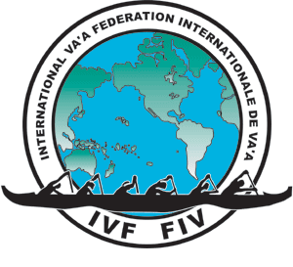
International Va'a Federation World Distance 2021 Bid Budget Template

INCOME

Entry fees ( is currently $150 per paddler). With a 60 % / 40 % split between Host60/IVF40) | $-
Sponsorship | $-
Merchandise Sales | $-
Income from Vendors | $-
Other (Please add more lines as necessary | $-
Equipment Sales (if selling boats post event) | $-
 | $-
 | $-

Total Income |  | $-

Less: Expenses

Venue Hire | $-
Race Course - | $-
Boat Loading and water access costs | $-
Venue infrastructure (Tents, Marques, Sound System, electricity, toilets, fencing, etc) | $-
Volunteer and Officials Uniform | $-
Volunteer and Officials food and refreshements | $-
Provision of Race Manager sytem operation 50% split with IVF | $-
Finish Results /Timing | $-
Printing | $-
Internet and Networking | $-
Judging personnel, supplies | $-
Va'a Hire or Manufacture | $-
Va'a rigging & maintenance items -- canoe saddles, rigging straps/rope, dock ties, bailing buckets & sponges | $-
VIP area | $-
Security | $-
Volunteer recognition | $-
Para Va'a Classificifier Costs (Minimum 3 Classifiers) (50% split with IVF) | $-
Para Va'a Classification costs (50% split with IVF) | $-
WADA Drug testing (50% split with IVF) | $-
WADA approved Tester travel expenses (50% split with IVF) | $-
Medical/emergency personnel on sight | $-
IVF Medical officer Airfare and accomodation for event (50% split with IVF) | $-
Contract services (any people contracted to fullfil roles) | $-
Salary/Wages | $-
Technical Officials Costs | $-
Accomodation for overseas officials (if required) | $-
Transportation, Parking control | $-
Hosting of VIP's and Officials, | $-
ID Card costs | $-
Marketing and Promotion | $-
Advertising | $-
Travel | $-
Awards | $-
Ceremonies | $-
Insurance | $-
Onwater Safety; boats, fuel, radio's | $-
Other (Please add more lines as necessary) | $-

Total Expenses |  | $-

Profit/Loss |  | $-

